Cover Page

 | NRL DCF VALUATION



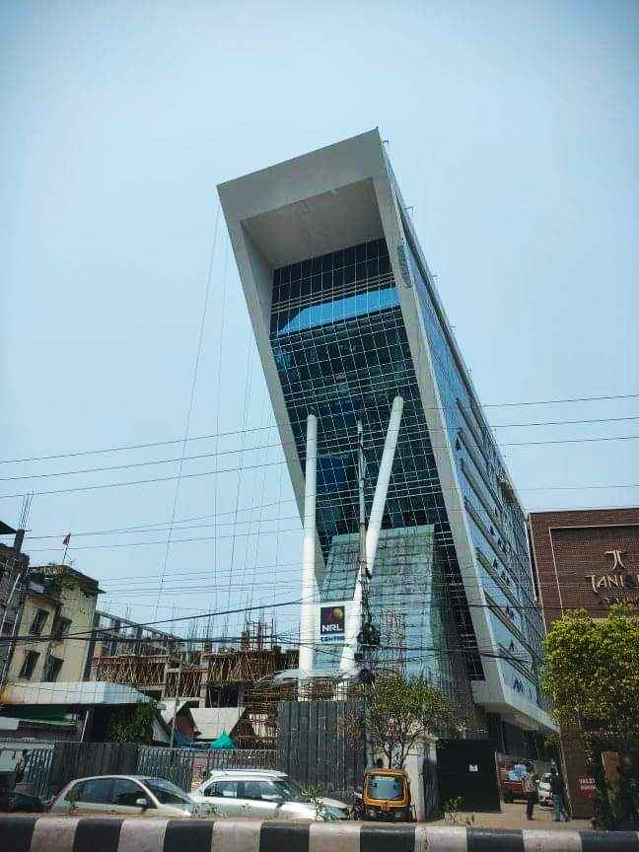
BY AAKASHNEEL KASHYAPAN

